Sheet1
 |  | CHASSIS A
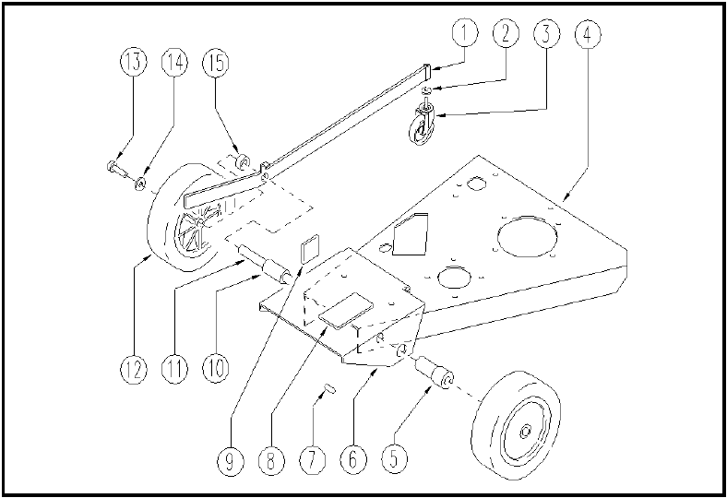

ITEM | SKU | DESCRIPTION | QTY
1 | E89164 | Lever WS20 | 1
2 | VTRS00232 | WASHER D.12 UNI 6592 ZINC. | 1
3 | E86408 | Rotating Wheel | 1
4 | E89291 | Head WS20 | 1
5 | MPVR02892 | BUSHING | 1
6 | LAFN05188 | SUPPORT BRACKET | 1
7 | E89199 | Key 5-5-15 | 1
8 | MPVR02825 | THICKNESS | 1
9 | MPVR02826 | THICKNESS | 1
10 | E89262 | Axle bushing WS20 | 1
11 | LAFN04095 | SHAFT ASSE RUOTE ALLUNGATO | 1
12 | E86509 | Wheel, Rubber 7 3/4" x 1 3/4" | 2
13 | E86540 | AS20 Screw M8x10 | 2
14 | E86878 | Washer | 2
15 | LAFN04096 | SPACER | 1

